Statistics
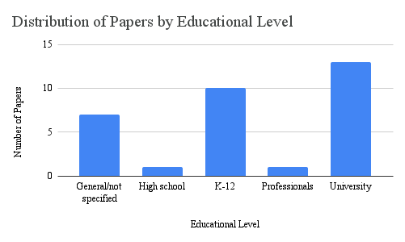
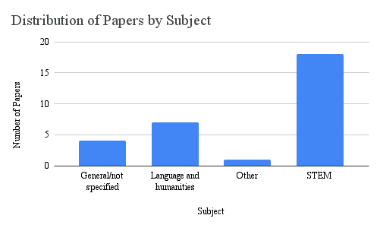
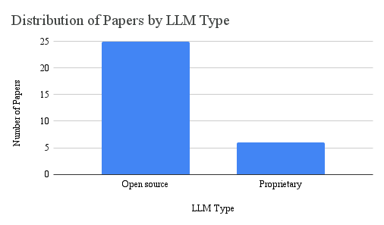
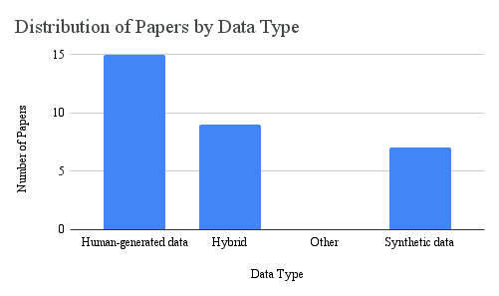
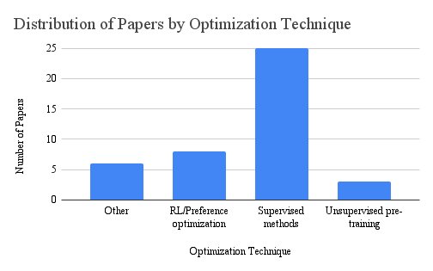
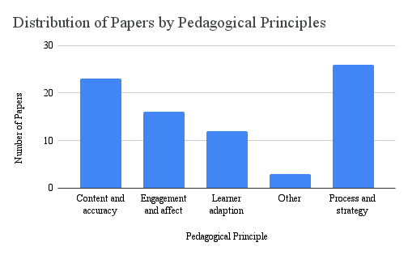
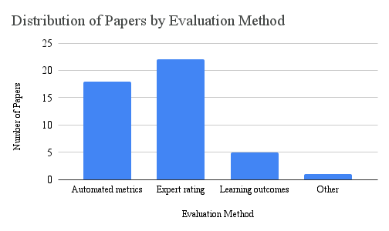
 | Educational level |  |  |  |  | Subject |  |  |  | LLM type |  | Data |  |  |  | Optimization technique |  |  |  | Pedagogical principles |  |  |  |  | Evaluation
 | K-12 | High school | University | Professionals | General/not specified | STEM | Language and humanities | General/not specified | Other | Open source | Proprietary | Human-generated | Synthetic | Hybrid | Other | Supervised methods | Unsupervised pre-training | RL/Preference optimization | Other | Content and accuracy | Process and strategy | Learner adaption | Engagement and affect | Other | Automated metrics | Expert rating | Learning outcomes | Other
Paper count | 10 | 1 | 13 | 1 | 6 | 19 | 6 | 4 | 1 | 24 | 6 | 14 | 7 | 9 | 0 | 24 | 3 | 8 | 6 | 23 | 25 | 11 | 15 | 3 | 19 | 22 | 4 | 1
% of papers | 33.3 | 3.3 | 43.3 | 3.3 | 20.0 | 63.3 | 20.0 | 13.3 | 3.3 | 80.0 | 20.0 | 46.7 | 23.3 | 30.0 | 0.0 | 80.0 | 10.0 | 26.7 | 20.0 | 76.7 | 83.3 | 36.7 | 50.0 | 10.0 | 63.3 | 73.3 | 13.3 | 3.3

Educational Level

